(N77_3.45G)
3.45 GHz Carrier Functinoal Call Test Summary
Sector Verification |  |  |  |  |  |  | Data Test Results |  |  | Voice Call Test Results
Type | MSISDN (Test UE) | gNB | Cell | NRARFCN | NR PCI | BW | Ping | Download (Mbps) | Upload (Mbps) | Time | target cell phone # | LTE EARFCN | Voice call successful: Y/N | Duration
Data+Call | 336-546-4506 | MNXN098879 | MNXN098879_N077A_2 | alpha_service["nr_arfcn"] | alpha_service["nr_pci"] | alpha_service["nr_bw"] | #DIV/0! | #DIV/0! | #DIV/0! | voice_test["voicetest_image_1"]["time"] | 312-774-3128 | alpha_service["lte_earfcn"] | voice_test["voicetest_image_1"]["call_status"] | voice_test["voicetest_image_1"]["call_duration_seconds"]
Data+Call | 336-546-4506 | MNXN098879 | MNXN098879_N077B_2 | beta_service["nr_arfcn"] | beta_service["nr_pci"] | beta_service["nr_bw"] | #DIV/0! | #DIV/0! | #DIV/0! | voice_test["voicetest_image_2"]["time"] | 312-774-3128 | beta_service["lte_earfcn"] | voice_test["voicetest_image_2"]["call_status"] | voice_test["voicetest_image_2"]["call_duration_seconds"]
Data+Call | 336-546-4506 | MNXN098879 | MNXN098879_N077A_2 | gamma_service["nr_arfcn"] | gamma_service["nr_pci"] | gamma_service["nr_bw"] | #DIV/0! | #DIV/0! | #DIV/0! | voice_test["voicetest_image_3"]["time"] | 312-774-3128 | gamma_service["lte_earfcn"] | voice_test["voicetest_image_3"]["call_status"] | voice_test["voicetest_image_3"]["call_duration_seconds"]

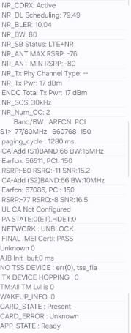
 |  |  |  |  |  |  |  |  |  |  | voice call test
Alpha Sector |  |  | Beta Sector |  |  |  | Gamma Sector
 |  |  |  |  |  |  |  |  |  |  | Alpha |  | Beta |  | Gamma

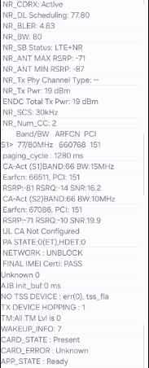
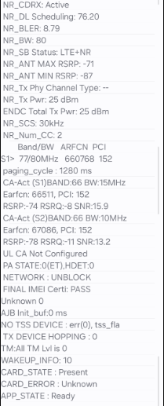



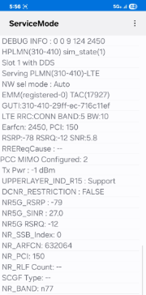
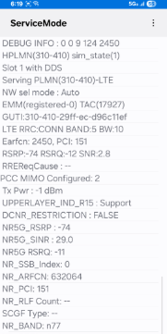
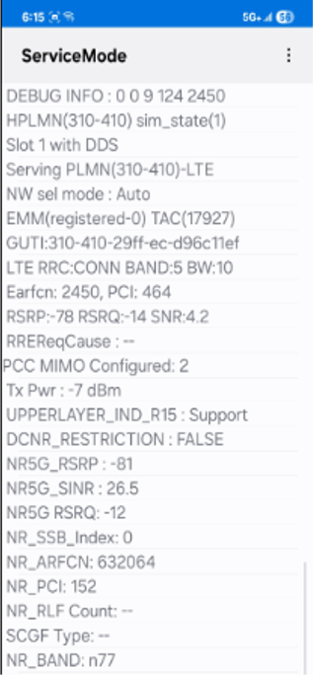

Speed test |  |  | Speed test |  |  |  | Speed test
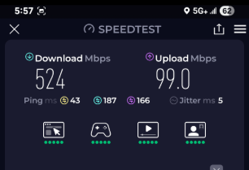
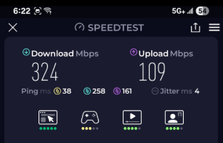
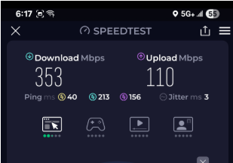

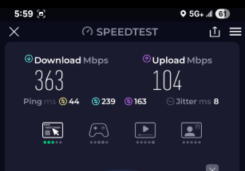
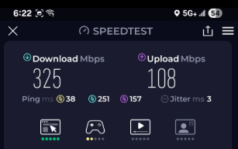
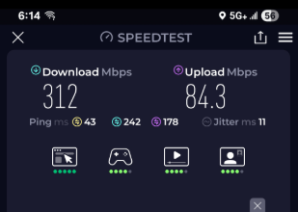

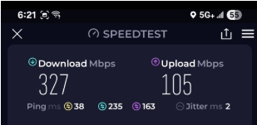
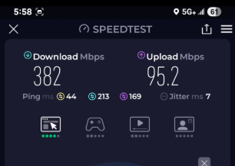
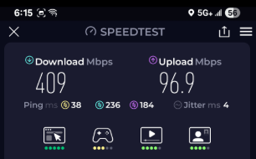

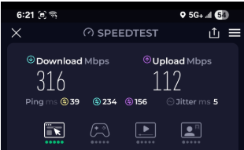
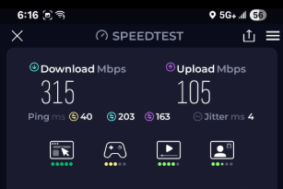
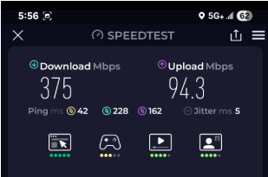

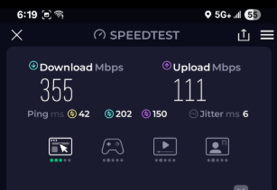
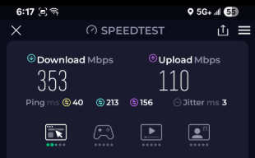
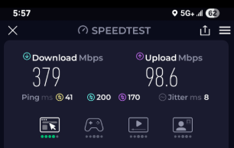

Video test |  |  | Video test |  |  |  | Video test

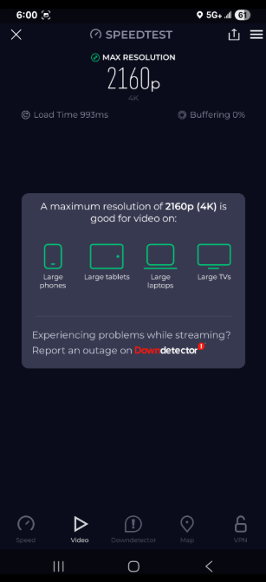
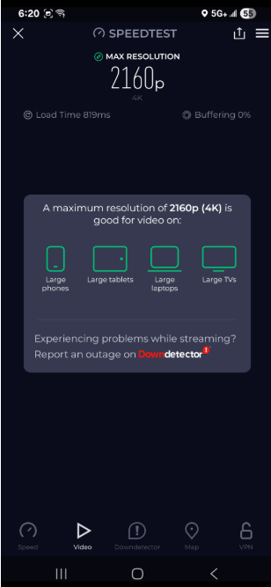


Alpha sector |  |  |  | Beta sector |  |  |  | Gamma sector
Carrier and RF info |  |  |  | Carrier and RF info |  |  |  | Carrier and RF info
 | LTE | NR |  |  | LTE | NR |  |  | LTE | NR
Band | alpha_service['lte_band'] | alpha_service['nr_band'] |  | Band | beta_service['lte_band'] | beta_service['nr_band'] |  | Band | gamma_service['lte_band'] | gamma_service['nr_band']
EARFCN | alpha_service["lte_earfcn"] | alpha_service["nr_arfcn"] |  | EARFCN | beta_service["lte_earfcn"] | beta_service["nr_arfcn"] |  | EARFCN | gamma_service["lte_earfcn"] | gamma_service["nr_arfcn"]
Bandwidth (MHz) | alpha_service['lte_bw'] | alpha_service['nr_bw'] |  | Bandwidth (MHz) | beta_service['lte_bw'] | beta_service['nr_bw'] |  | Bandwidth (MHz) | gamma_service['lte_bw'] | gamma_service['nr_bw']
RSRP (dBm) | alpha_service['lte_rsrp'] | alpha_service['nr5g_rsrp'] |  | RSRP (dBm) | beta_service['lte_rsrp'] | beta_service['nr5g_rsrp'] |  | RSRP (dBm) | gamma_service['lte_rsrp'] | gamma_service['nr5g_rsrp']
RSRQ (dB) | alpha_service["lte_rsrq"] | alpha_service["nr5g_rsrq"] |  | RSRQ (dB) | beta_service["lte_rsrq"] | beta_service["nr5g_rsrq"] |  | RSRQ (dB) | gamma_service["lte_rsrq"] | gamma_service["nr5g_rsrq"]
SINR (dB) | alpha_service["lte_sinr"] | alpha_service["nr5g_sinr"] |  | SINR (dB) | beta_service["lte_sinr"] | beta_service["nr5g_sinr"] |  | SINR (dB) | gamma_service["lte_sinr"] | gamma_service["nr5g_sinr"]
PCI | alpha_service['lte_pci'] | alpha_service['nr_pci'] |  | PCI | beta_service['lte_pci'] | beta_service['nr_pci'] |  | PCI | gamma_service['lte_pci'] | gamma_service['nr_pci']

22 |  |  |  | Speed Test Results |  |  |  | Speed Test Results
Iteration | DL (Mbps) | UL (Mbps) |  | Iteration | DL (Mbps) | UL (Mbps) |  | Iteration | DL (Mbps) | UL (Mbps)
1 | alpha_speedtest["alpha_image_3"]["download_mbps"] | alpha_speedtest["alpha_image_3"]["upload_mbps"] |  | 1 | beta_speedtest["beta_image_3"]["download_mbps"] | beta_speedtest["beta_image_3"]["upload_mbps"] |  | 1 | gamma_speedtest["gamma_image_3"]["download_mbps"] | gamma_speedtest["gamma_image_3"]["upload_mbps"]
2 | alpha_speedtest["alpha_image_4"]["download_mbps"] | alpha_speedtest["alpha_image_4"]["upload_mbps"] |  | 2 | beta_speedtest["beta_image_4"]["download_mbps"] | beta_speedtest["beta_image_4"]["upload_mbps"] |  | 2 | gamma_speedtest["gamma_image_4"]["download_mbps"] | gamma_speedtest["gamma_image_4"]["upload_mbps"]
3 | alpha_speedtest["alpha_image_5"]["download_mbps"] | alpha_speedtest["alpha_image_5"]["upload_mbps"] |  | 3 | beta_speedtest["beta_image_5"]["download_mbps"] | beta_speedtest["beta_image_5"]["upload_mbps"] |  | 3 | gamma_speedtest["gamma_image_5"]["download_mbps"] | gamma_speedtest["gamma_image_5"]["upload_mbps"]
4 | alpha_speedtest["alpha_image_6"]["download_mbps"] | alpha_speedtest["alpha_image_6"]["upload_mbps"] |  | 4 | beta_speedtest["beta_image_6"]["download_mbps"] | beta_speedtest["beta_image_6"]["upload_mbps"] |  | 4 | gamma_Speedtest["gamma_image_6"]["download_mbps"] | gamma_speedtest["gamma_image_6"]["upload_mbps"]
5 | alpha_speedtest["alpha_image_7"]["download_mbps"] | alpha_speedtest["alpha_image_7"]["upload_mbps"] |  | 5 | beta_speedtest["beta_image_7"]["download_mbps"] | beta_speedtest["beta_image_7"]["upload_mbps"] |  | 5 | gamma_speedtest["gamma_image_7"]["download_mbps"] | gamma_speedtest["gamma_image_7"]["upload_mbps"]
Average | #DIV/0! | #DIV/0! |  | Average | #DIV/0! | #DIV/0! |  | Average | #DIV/0! | #DIV/0!

Ping/latency test |  |  |  | Ping/latency test |  |  |  | Ping/latency test
Iteration | DL (Mbps) |  |  | Iteration | DL (Mbps) |  |  | Iteration | DL (Mbps)
1 | alpha_speedtest["alpha_image_3"]["ping_ms"] |  |  | 1 | beta_speedtest["beta_image_3"]["ping_ms"] |  |  | 1 | gamma_speedtest["gamma_image_3"]["ping_ms"]
2 | alpha_speedtest["alpha_image_4"]["ping_ms"] |  |  | 2 | beta_speedtest["beta_image_4"]["ping_ms"] |  |  | 2 | gamma_speedtest["gamma_image_4"]["ping_ms"]
3 | alpha_speedtest["alpha_image_5"]["ping_ms"] |  |  | 3 | beta_speedtest["beta_image_5"]["ping_ms"] |  |  | 3 | gamma_speedtest["gamma_image_5"]["ping_ms"]
4 | alpha_speedtest["alpha_image_6"]["ping_ms"] |  |  | 4 | beta_speedtest["beta_image_6"]["ping_ms"] |  |  | 4 | gamma_speedtest["gamma_image_6"]["ping_ms"]
5 | alpha_speedtest["alpha_image_7"]["ping_ms"] |  |  | 5 | beta_speedtest["beta_image_7"]["ping_ms"] |  |  | 5 | gamma_speedtest["gamma_image_7"]["ping_ms"]
Average | #DIV/0! |  |  | Average | #DIV/0! |  |  | Average | #DIV/0!

Video Test Results |  |  |  | Video Test Results |  |  |  | Video Test Results
Max Resolution |  | alpha_video["alpha_image_8"]["max_resolution"] |  | Max Resolution |  | beta_video["beta_image_8"]["max_resolution"] |  | Max Resolution |  | gamma_video["gamma_image_8"]["max_resolution"]
Load Time |  | alpha_video["alpha_image_8"]["load_time_ms"] |  | Load Time |  | beta_video["beta_image_8"]["load_time_ms"] |  | Load Time |  | gamma_video["gamma_image_8"]["load_time_ms"]
Buffering |  | alpha_video["alpha_image_8"]["buffering_percentage"] |  | Buffering |  | beta_video["beta_image_8"]["buffering_percentage"] |  | Buffering |  | gamma_video["gamma_image_8"]["buffering_percentage"]

